2018 only
2018 |  | See chart 15d and 13a of the education data from 2018 for the corresponding charts: https://www.educationnext.org/files/2018ednextpoll.pdf

 | Support for Vouchers | Support for Charter School Expansion

Support for School Choice is mixed overall, though majority of Hispanic and Black respondents favor vouchers
Group | Question | Strongly Support | Somewhat Support | Neither Support Nor Oppose | Somewhat Oppose | Strongly Oppose | Support OR somewhat support
All | Charters | 15 | 29 | 21 | 21 | 14 | 44
 | Vouchers | 14 | 30 | 12 | 21 | 23 | 44
Black | Charters | 14 | 32 | 28 | 17 | 9 | 46
 | Vouchers | 25 | 31 | 20 | 12 | 11 | 56
Hispanic | Charters | 12 | 37 | 18 | 22 | 11 | 49
 | Vouchers | 26 | 35 | 10 | 17 | 12 | 61
White | Charters | 15 | 28 | 20 | 23 | 15 | 43
 | Vouchers | 9 | 29 | 11 | 25 | 27 | 38
Teachers | Charters | 6 | 27 | 12 | 24 | 31 | 33
 | Vouchers | 4 | 15 | 11 | 22 | 48 | 19

Group | Group | Group | Group | Group | Group | Group
Republicans | Republicans | Republicans | Republicans | Republicans | Republicans | Republicans

Democrats | Democrats | Democrats | Democrats | Democrats | Democrats | Democrats

Teachers | Teachers | Teachers | Teachers | Teachers | Teachers | Teachers

Charters |  | Strongly Support | Somewhat Support | Neither Support Nor Oppose | Strongly Oppose | Somewhat Oppose | TOTAL strong or somewhat support
 | Republicans | 25% | 32% | 17% | 12% | 15% | 57%
 | Democrats | 8% | 28% | 22% | 14% | 28% | 36%

 |  |  |  |  |  |  |  | hi

Republicans More Favorable Toward Charter Schools
Support for Charter Schools By Political Party
 | Group | Group | Group | Group | Group
Republicans | 0 | 0 | 0 | 0 | 0
Democrats | 0 | 0 | 0 | 0 | 0
Teachers | 0 | 0 | 0 | 0 | 0

 |  |  |  |  |  |  |  |  | 45
 |  |  |  |  |  |  |  |  | 46

CharterSchools
Public Opinion on Charter Schools
Source: https://educationnext.org/files/ednext-poll-question-wording-over-time-through-2018.pdf

 |  | 2013 | 2014 | 2015 | 2016 | 2017 | 2018
Public | Support | 51 | 54 | 51 | 51 | 39 | 44
 | Neither | 24 | 18 | 22 | 21 | 25 | 21
 | Opposed | 25 | 28 | 27 | 28 | 36 | 35
Republicans | Support | 60 | 64 | 62 | 60 | 47 | 57
 | Neither | 21 | 15 | 18 | 19 | 22 | 17
 | Opposed | 19 | 21 | 19 | 21 | 30 | 27
Democrats | Support | 44 | 47 | 42 | 45 | 34 | 36
 | Neither | 25 | 19 | 24 | 22 | 26 | 22
 | Opposed | 31 | 33 | 34 | 33 | 41 | 42
Teachers | Support | 41 | 43 | 39 | 41 | 40 | 33
 | Neither | 12 | 11 | 7 | 11 | 9 | 12
 | Opposed | 48 | 47 | 53 | 48 | 51 | 55

Support for Charter Schools
 | 2013 | 2014 | 2015 | 2016 | 2017 | 2018
Republicans | 60 | 64 | 62 | 60 | 47 | 57
Democrats | 44 | 47 | 42 | 45 | 34 | 36
Teachers | 41 | 43 | 39 | 41 | 40 | 33

Support the Formation of Charter Schools
 | #REF! | Republicans | Democrats | Teachers
2013 | 1 | 60 | 44 | 41
2014 |  | 64 | 47 | 43
2015 |  | 62 | 42 | 39
2016 |  | 60 | 45 | 41
2017 |  | 47 | 34 | 40
2018 |  | 57 | 36 | 33

Vouchers
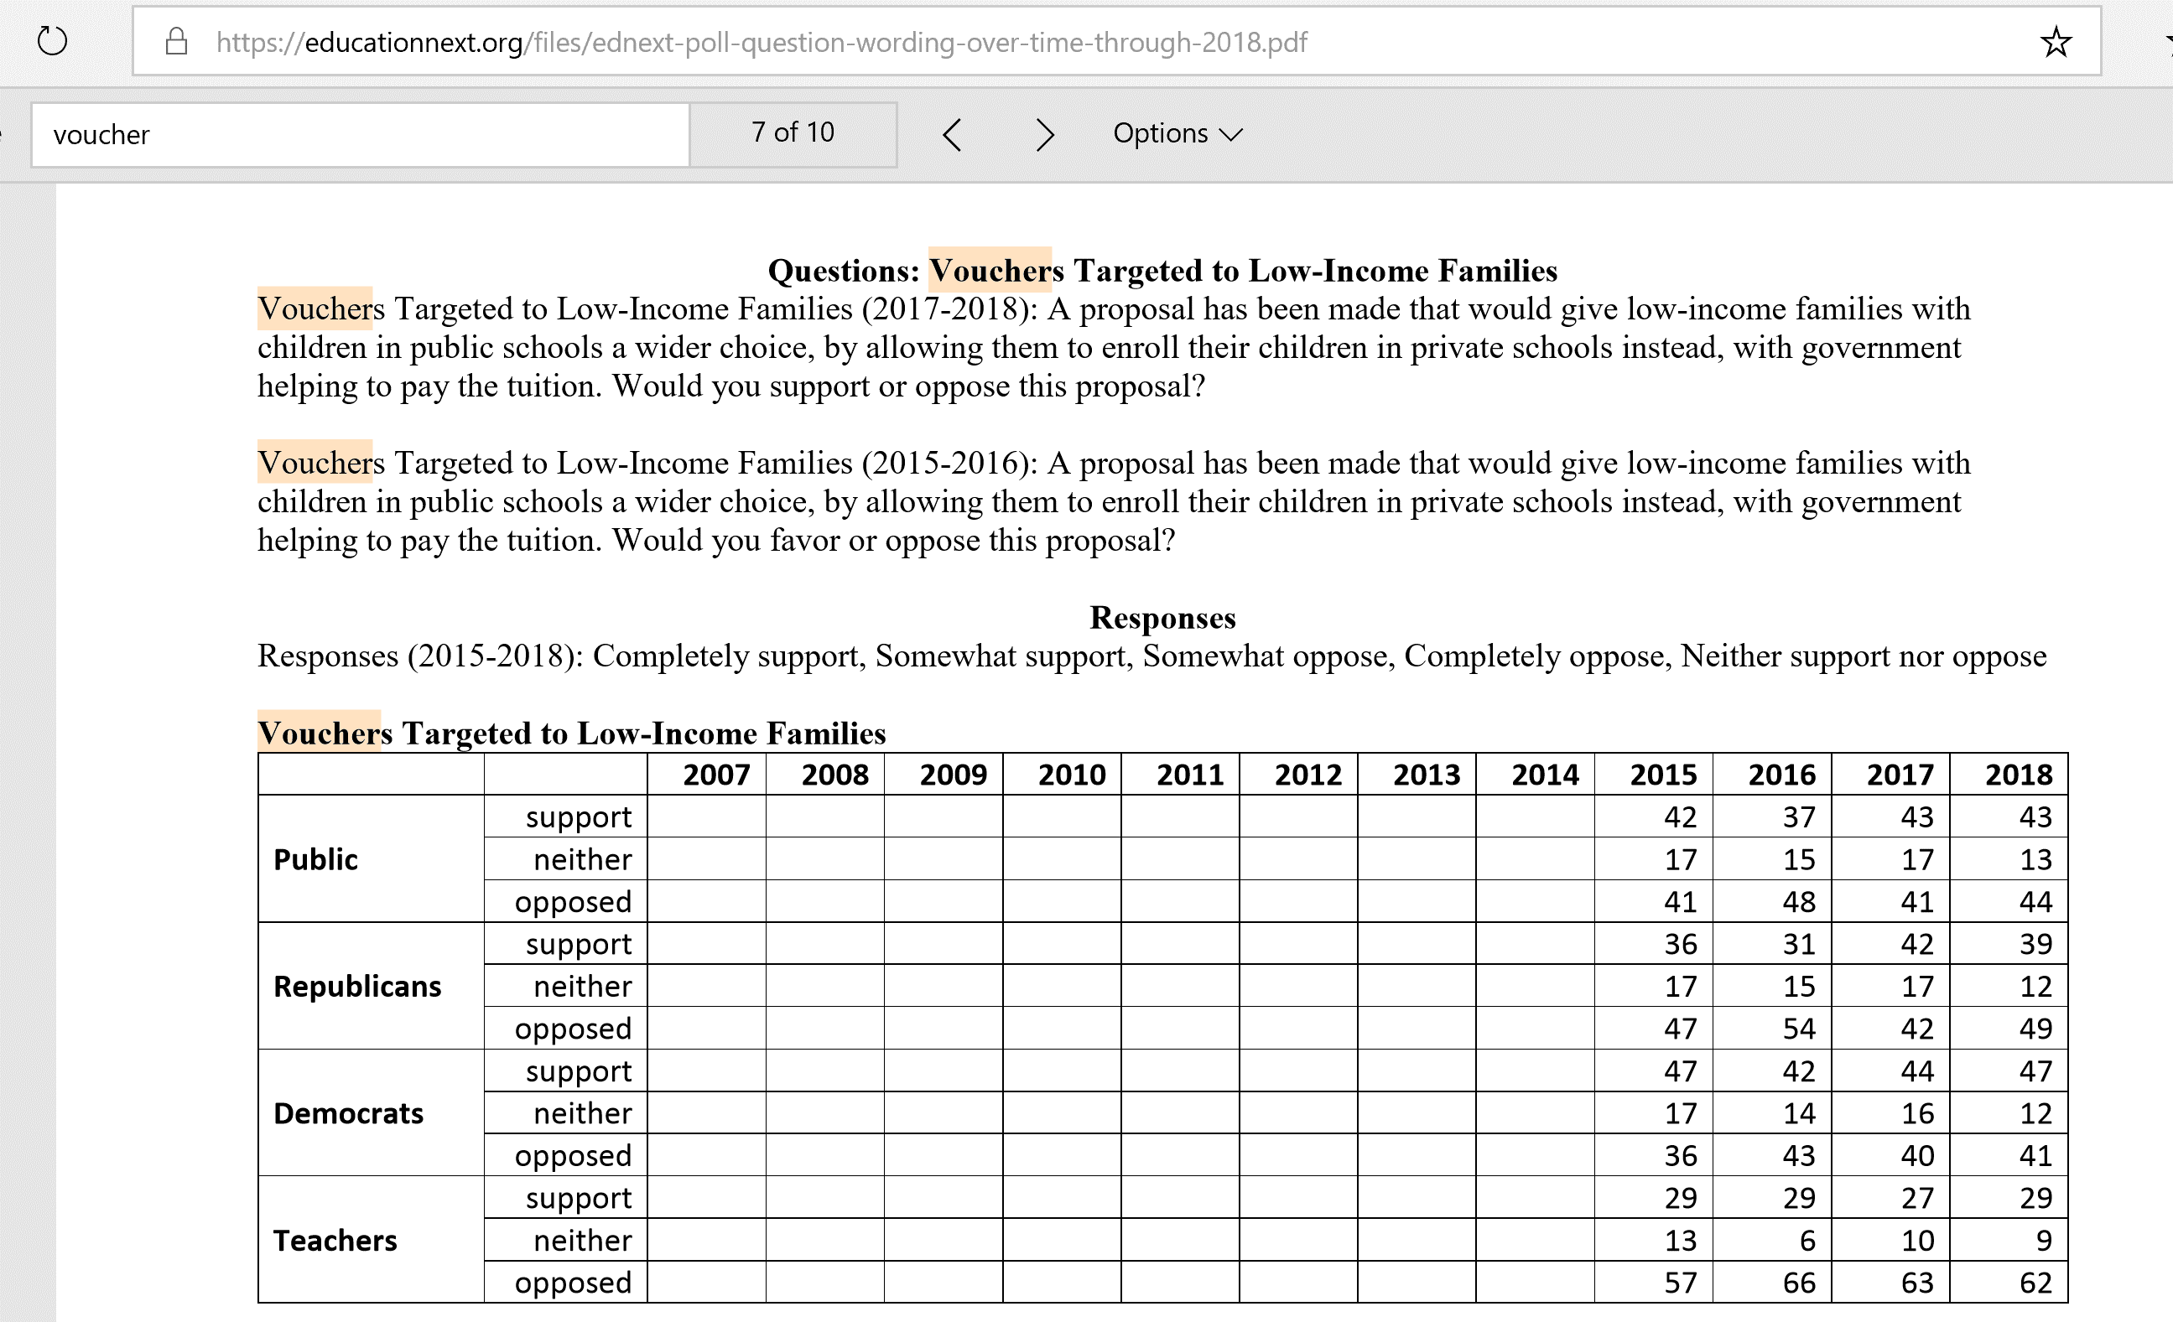
Public Opinion on Vouchers Targeted to Low-Income Families
Source: https://educationnext.org/files/ednext-poll-question-wording-over-time-through-2018.pdf

Support for Vouchers Targeting Low-Income Families
 | Republicans | Democrats | Teachers
2013
2014
2015 | 36 | 47 | 29
2016 | 31 | 42 | 29
2017 | 42 | 44 | 27
2018 | 39 | 47 | 29
Support for Vouchers Targeting Low-Income Families
 | 2013 | 2014 | 2015 | 2016 | 2017 | 2018
Republicans |  |  | 36 | 31 | 42 | 39
Democrats |  |  | 47 | 42 | 44 | 47
Teachers |  |  | 29 | 29 | 27 | 29

All Charts
Support the Formation of Charter Schools
 | #REF! | Republicans | Democrats | Teachers
2013 | 1 | 60 | 44 | 41
2014 |  | 64 | 47 | 43
2015 |  | 62 | 42 | 39
2016 |  | 60 | 45 | 41
2017 |  | 47 | 34 | 40
2018 |  | 57 | 36 | 33
Support for Vouchers Targeting Low-Income Families
 | Republicans | Democrats | Teachers
2013
2014
2015 | 36 | 47 | 29
2016 | 31 | 42 | 29
2017 | 42 | 44 | 27
2018 | 39 | 47 | 29

Support for Different Types of School Choice
 | Republicans Supporting Charters | Republicans Supporting Vouchers | Democrats Supporting Charters | Democrats Supporting Vouchers | Teachers supporting Charters | Teachers supporting vouchers
2013 | 60 |  | 44 |  | 41
2014 | 64 |  | 47 |  | 43
2015 | 62 | 36 | 42 | 47 | 39 | 29
2016 | 60 | 31 | 45 | 42 | 41 | 29
2017 | 47 | 42 | 34 | 44 | 40 | 27
2018 | 57 | 39 | 36 | 47 | 33 | 29

 | 2013 | 2014 | 2015 | 2016 | 2017 | 2018
Republicans Supporting Charters | 60 | 64 | 62 | 60 | 47 | 57
Republicans Supporting Vouchers |  |  | 36 | 31 | 42 | 39
Democrats Supporting Charters | 44 | 47 | 42 | 45 | 34 | 36
Democrats Supporting Vouchers |  |  | 47 | 42 | 44 | 47
Teachers supporting Charters | 41 | 43 | 39 | 41 | 40 | 33
Teachers supporting vouchers |  |  | 29 | 29 | 27 | 29

